data
 | Item | Label | Is Related To Item | Style Name | Properties
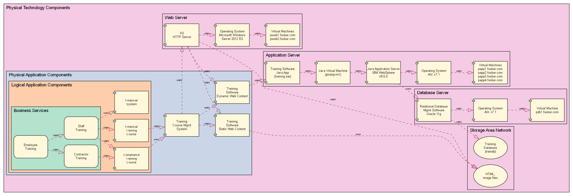
# | Physical Technology Components
 | { | Physical Technology Components |  | Physical Technology Component Domain
#
 | { | Database Server |  | Physical Technology Component Domain
 | database rdbms | Relational Database Mgmt Software Oracle 11g |  | component
 | database server os | Operating System AIX v7.1 |  | component
 | database server vm | Virtual Machine pdb1.foobar.com |  | component
 | database rdbms | uses | database server os | uses
 | database server os | uses | database server vm | uses
 | } |  |  | Physical Technology Component Domain End
#
 | { | Storage Area Network |  | Physical Technology Component Domain
 | training db | Training Database (traindb) |  | database
 | training html | HTML, image files |  | file
 | } |  |  | Physical Technology Component Domain End
 | http server | uses | training html | uses
#
 | { | Web Server |  | Physical Technology Component Domain
 | http server | IIS HTTP Server |  | component
 | http server os | Operating System Microsoft Windows Server 2012 R2 |  | component
 | http server vm | Virtual Machines pweb1.foobar.com pweb2.foobar.com |  | component
 | http server | uses | http server os | uses
 | http server os | uses | http server vm | uses
 | } |  |  | Physical Technology Component Domain End

#
 | { | Application Server |  | Physical Technology Component Domain
 | app server os | Operating System AIX v7.1 |  | component
 | app server ear | Training Software Java App (training.ear) |  | component
 | app server jvm | Java Virtual Machine (ptrainjvm1) |  | component
 | app server middleware | Java Application Server IBM WebSphere v8.5.5 |  | component
 | app server vm | Virtual Machines papp1.foobar.com papp2.foobar.com papp3.foobar.com papp4.foobar.com |  | component
 | app server ear | uses | app server jvm | uses
 | app server jvm | uses | app server middleware | uses
 | app server middleware | uses | app server os | uses
 | app server os | uses | app server vm | uses
 | } |  |  | Physical Technology Component Domain End
# | Physical Application Components
 | { | Physical Application Components |  | Physical Application Component Domain
 | course mgmt system | Training Course Mgmt System |  | component app
 | training software dynamic | Training Software Dynamic Web Content |  | component app
 | training software static | Training Software Static Web Content |  | component app
 | course mgmt system | uses | training software dynamic | uses
 | course mgmt system | uses | training software static | uses

# | Logical Application Components
 | { | Logical Application Components |  | Logical Application Component Domain
 | financial training course | Financial Training Course |  | component logical
 | compliance training course | Compliance Training Course |  | component logical
 | financial system | Financial System |  | component logical

# | Business Services
 | { | Business Services |  | Business Service Domain
 | employee training | Employee Training |  | service
 | staff training | Staff Training |  | service
 | contractor training | Contractor Training |  | service
 | employee training | uses | staff training | uses
 | employee training | uses | contractor training | uses
 | } |  |  | Business Service Domain End

# | RELATIONSHIPS - Logical Application Components to Business Service
 | staff training | uses | financial system | uses
 | staff training | uses | financial training course | uses
 | staff training | uses | compliance training course | uses
 | contractor training | uses | compliance training course | uses
 | } |  |  | Logical Application Component Domain End

# | RELATIONSHIPS - Physical Application Components to Logical Application Components
 | financial training course | uses | course mgmt system | uses
 | compliance training course | uses | course mgmt system | uses
 | } |  |  | Physical Application Component Domain End

# | RELATIONSHIPS - Physical Technology Components to Physical Application Components
 | app server middleware | uses | database rdbms | uses
 | database rdbms | uses | training db | uses
 | course mgmt system | uses | http server | uses
 | http server | uses | training software dynamic | uses
 | http server | uses | training software static | uses
 | training software dynamic | uses | app server ear | uses
 | training software static | uses | training html | uses
 | http server | uses | training software static | uses
 | } |  |  | Physical Technology Component Domain End

styles
Style Name | Description | Format | Style Type | All Styles | Business | Logical | Business Logical | Business Logical to App | Physical App | Physical Tech | Physical App to Tech | Logical to App to Tech | No Clusters
node |  |  | node | yes | yes | yes | yes | yes | yes | yes | yes | yes | yes
edge |  |  | edge | yes | yes | yes | yes | yes | yes | yes | yes | yes | yes
subgraph-open |  |  | subgraph-open | yes | yes | yes | yes | yes | yes | yes | yes | yes | no | 
subgraph-close |  |  | subgraph-close | yes | yes | yes | yes | yes | yes | yes | yes | yes | no
keyword |  |  | keyword | yes | yes | yes | yes | yes | yes | yes | yes | yes | yes
native |  |  | native | yes | yes | yes | yes | yes | yes | yes | yes | yes | yes
domain |  | labeljust=left | subgraph-open | yes | yes | yes | yes | yes | yes | yes | yes | yes | no | 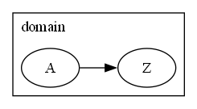
domain end |  | labeljust=left | subgraph-close | yes | yes | yes | yes | yes | yes | yes | yes | yes | no
process |  | shape=rect height="1.00" width="1.50" fixedsize=true fillcolor=cornsilk fontname=Arial fontsize=10 style=filled | node | yes | yes | yes | yes | yes | yes | yes | yes | yes | yes | 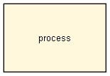
service |  | shape=rectangle height="1.00" width="1.50" fixedsize=true fillcolor=cornsilk fontname=Arial fontsize=10 style="rounded,filled" | node | yes | yes | no | yes | yes | no | no | no | no | yes | 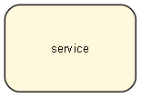
component |  | shape=component height="1.00" width="1.50" fixedsize=true fillcolor=cornsilk fontname=Arial fontsize=10 style=filled | node | yes | no | no | no | no | no | yes | yes | yes | yes | 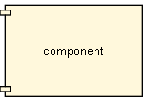
component logical |  | shape=component height="1.00" width="1.50" fixedsize=true fillcolor=cornsilk fontname=Arial fontsize=10 style=filled | node | yes | no | yes | yes | yes | no | no | no | yes | yes | 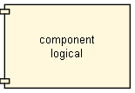
component app |  | shape=component height="1.00" width="1.50" fixedsize=true fillcolor=cornsilk fontname=Arial fontsize=10 style=filled | node | yes | no | no | no | yes | yes | no | yes | yes | yes | 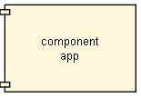
Business Service Domain |  | labeljust=left colorscheme=pastel24 fillcolor=1 fontname=Arial fontsize=14 style=filled | subgraph-open | yes | yes | no | yes | yes | no | no | no | no | no | 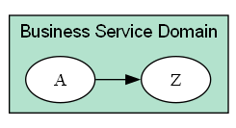
Business Service Domain End |  |  | subgraph-close | yes | yes | no | yes | yes | no | no | no | no | no
Logical Application Component Domain |  | labeljust=left colorscheme=pastel24 fillcolor=2 fontname=Arial fontsize=14 style=filled | subgraph-open | yes | no | yes | yes | yes | no | no | no | yes | no | 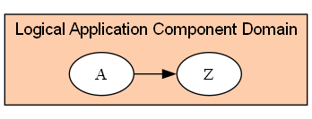
Logical Application Component Domain End |  |  | subgraph-close | yes | no | yes | yes | yes | no | no | no | yes | no
Physical Application Component Domain |  | labeljust=left colorscheme=pastel24 fillcolor=3 fontname=Arial fontsize=14 style=filled | subgraph-open | yes | no | no | no | yes | yes | no | yes | yes | no | 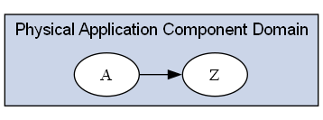
Physical Application Component Domain End |  |  | subgraph-close | yes | no | no | no | yes | yes | no | yes | yes | no
Physical Technology Component Domain |  | labeljust=left colorscheme=pastel24 fillcolor=4 fontname=Arial fontsize=14 style=filled | subgraph-open | yes | no | no | no | no | no | yes | yes | yes | no | 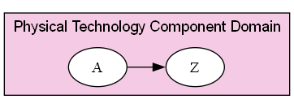
Physical Technology Component Domain End |  |  | subgraph-close | yes | no | no | no | no | no | yes | yes | yes | no
database |  | shape=ellipse height="1.00" width="1.50" fixedsize=true fillcolor=cornsilk fontname=Arial fontsize=10 style=filled | node | yes | no | no | no | no | no | yes | yes | yes | yes | 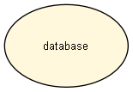
file |  | shape=ellipse height="1.00" width="1.50" fixedsize=true fillcolor=cornsilk fontname=Arial fontsize=10 style=filled | node | yes | no | no | no | no | no | yes | yes | yes | yes | 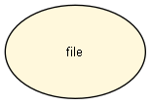
uses |  | style=dashed color=maroon arrowhead=onormal arrowsize="1.5" fontname=Arial fontsize=8 | edge | yes | yes | yes | yes | yes | yes | yes | yes | yes | yes
input-output |  | shape=parallelogram height="1.00" width="1.50" fixedsize=true fillcolor=cornsilk fontname=Arial fontsize=10 style=filled | node | yes | yes | yes | yes | yes | yes | yes | yes | yes | yes | 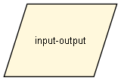
decision |  | shape=diamond height="1.00" width="1.50" fixedsize=true fillcolor=cornsilk fontname=Arial fontsize=10 style=filled | node | yes | yes | yes | yes | yes | yes | yes | yes | yes | yes | 